11
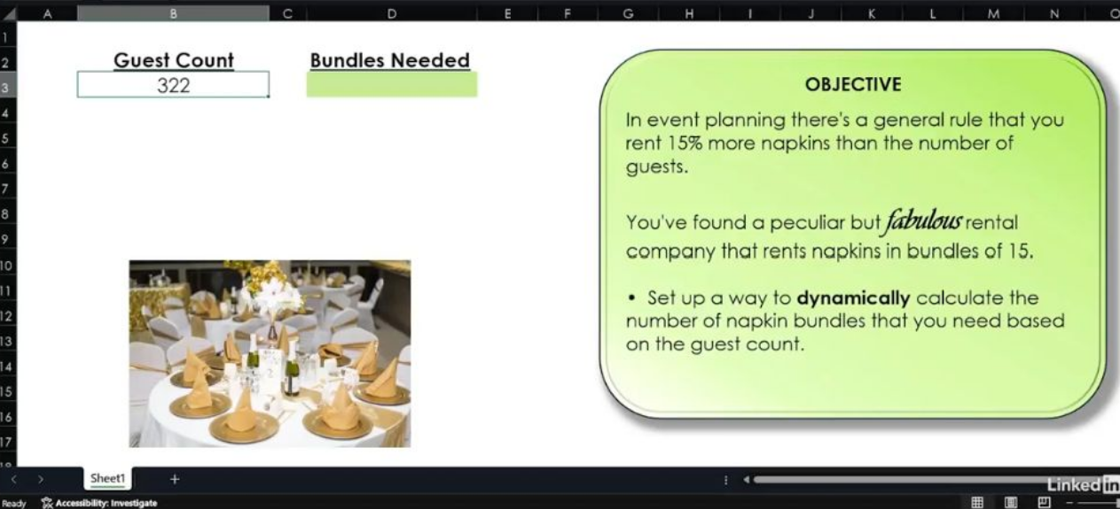
Guest Count | Bundles Needed
322 | 25

 | 25

